Contents
Sustainability and LL97 Resources
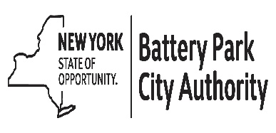 These resources were curated by the Battery Park City Authority (BPCA) to facilitate connections for Battery Park City property owners with Local Law 97-related resources and programs. While BPCA will update this summary semi-regularly, as programmatic details can change please refer to each program’s website for the most up to date information. (Updated as of January 2023)

Click above to jump to tabs

